Trading Sharpe Ratio
Date | Adj Close | Monthly Returns
2021-04-01 | 74.550003
2021-05-01 | 93.769997 | 25.78%
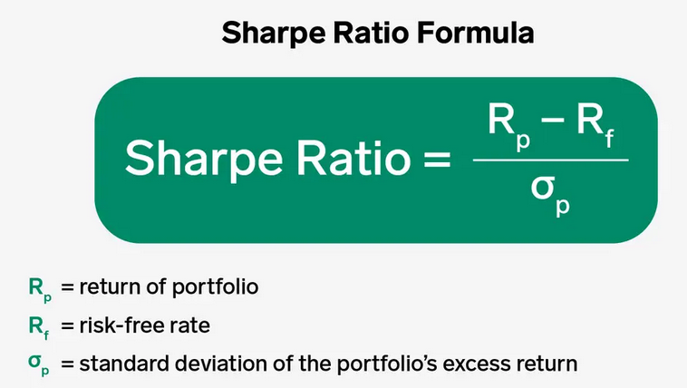
2021-06-01 | 89.980003 | -4.04%
2021-07-01 | 76.980003 | -14.45%
2021-08-01 | 82.050003 | 6.59%
2021-09-01 | 75.550003 | -7.92%
2021-10-01 | 84.019997 | 11.21%
2021-11-01 | 126.099998 | 50.08%
2021-12-01 | 103.160004 | -18.19%
2022-01-01 | 65.860001 | -36.16%
2022-02-01 | 51.57 | -21.70%
2022-03-01 | 46.240002 | -10.34%
2022-04-01 | 30.65 | -33.72%
2022-05-01 | 29.940001 | -2.32%
2022-06-01 | 32.860001 | 9.75%
2022-07-01 | 42.93 | 30.65%
Trading Sharpe Ratio = Sharpe ratio * $\sqrt{252∗6.5}$
252 days and 6.5 hours
2022-08-01 | 39.110001 | -8.90%
2022-09-01 | 35.84 | -8.36%
2022-10-01 | 44.740002 | 24.83%
2022-11-01 | 31.77 | -28.99%
2022-12-01 | 28.459999 | -10.42%
2023-01-01 | 33.41 | 17.39%

Average Monlthly Return | -1.39%
Standard Deviation | 0.21820414952
Risk-Free | 0.010%
Sharpe Ratio | -6.42%
Trading Sharpe Ratio | -259.83%

